Sheet1
State | PC Write | M Src | M write | IR Write | MDR write | LW | LI | RFwd |  |  | RF Write | SorL | RD1 write | RD2 write | ALU1 |  | ALU2 |  | SUB | NOR | BN | BE | ALUout Write | JAL | Reset
0 | 1 | 0 | 0 | 1 | 0 | 0 | 0 | 0 | 0 | 0 | 0 | 0 | 0 | 0 | 0 | 0 | 0 | 1 | 0 | 0 | 0 | 0 | 0 | 0 | 0
1 | 0 | 0 | 0 | 0 | 0 | 0 | 0 | 0 | 0 | 0 | 0 | 1 | 1 | 1 | 0 | 0 | 1 | 0 | 0 | 0 | 0 | 0 | 1 | 0 | 0
2 | 0 | 0 | 0 | 0 | 0 | 0 | 0 | 0 | 0 | 0 | 0 | 0 | 0 | 0 | 1 | 0 | 0 | 0 | 0 | 0 | 0 | 0 | 1 | 0 | 0
3 | 0 | 0 | 0 | 0 | 0 | 0 | 0 | 0 | 1 | 1 | 1 | 0 | 0 | 0 | 0 | 0 | 0 | 0 | 0 | 0 | 0 | 0 | 0 | 0 | 0
4 | 0 | 0 | 0 | 0 | 0 | 0 | 0 | 0 | 0 | 0 | 0 | 0 | 0 | 0 | 1 | 0 | 0 | 0 | 1 | 0 | 0 | 0 | 1 | 0 | 0
5 | 0 | 0 | 0 | 0 | 0 | 0 | 0 | 0 | 0 | 0 | 0 | 0 | 0 | 0 | 1 | 0 | 0 | 0 | 0 | 1 | 0 | 0 | 1 | 0 | 0
6 | 0 | 0 | 0 | 0 | 0 | 0 | 0 | 0 | 0 | 0 | 0 | 0 | 0 | 0 | 1 | 0 | 0 | 0 | 1 | 1 | 0 | 0 | 1 | 0 | 0
7 | 0 | 0 | 0 | 0 | 0 | 0 | 1 | 0 | 0 | 0 | 1 | 0 | 0 | 0 | 0 | 0 | 0 | 0 | 0 | 0 | 0 | 0 | 0 | 0 | 0
8 | 0 | 0 | 0 | 0 | 0 | 0 | 0 | 0 | 0 | 0 | 1 | 0 | 0 | 0 | 0 | 0 | 0 | 0 | 0 | 0 | 0 | 0 | 0 | 0 | 0
9 | 1 | 0 | 0 | 0 | 0 | 0 | 0 | 0 | 0 | 0 | 0 | 0 | 0 | 0 | 0 | 1 | 0 | 0 | 0 | 0 | 0 | 1 | 0 | 0 | 0
10 | 1 | 0 | 0 | 0 | 0 | 0 | 0 | 0 | 0 | 0 | 0 | 0 | 0 | 0 | 0 | 1 | 0 | 0 | 0 | 0 | 1 | 0 | 0 | 0 | 0
11 | 0 | 0 | 0 | 0 | 0 | 1 | 0 | 0 | 0 | 0 | 0 | 0 | 0 | 0 | 1 | 0 | 1 | 0 | 0 | 0 | 0 | 0 | 1 | 0 | 0
12 | 0 | 1 | 0 | 0 | 1 | 0 | 0 | 0 | 0 | 0 | 0 | 0 | 0 | 0 | 0 | 0 | 0 | 0 | 0 | 0 | 0 | 0 | 0 | 0 | 0
13 | 0 | 0 | 0 | 0 | 0 | 0 | 0 | 0 | 1 | 0 | 1 | 0 | 0 | 0 | 0 | 0 | 0 | 0 | 0 | 0 | 0 | 0 | 0 | 0 | 0
14 | 0 | 0 | 0 | 0 | 0 | 0 | 0 | 0 | 0 | 0 | 0 | 0 | 0 | 0 | 1 | 0 | 1 | 0 | 0 | 0 | 0 | 0 | 1 | 0 | 0
15 | 0 | 1 | 1 | 0 | 0 | 0 | 0 | 0 | 0 | 0 | 0 | 0 | 0 | 0 | 0 | 0 | 0 | 0 | 0 | 0 | 0 | 0 | 0 | 0 | 0
16 | 1 | 0 | 0 | 0 | 0 | 0 | 0 | 0 | 0 | 1 | 1 | 0 | 0 | 0 | 0 | 0 | 0 | 0 | 0 | 0 | 0 | 0 | 0 | 1 | 0
17 | 0 | 0 | 0 | 0 | 0 | 0 | 0 | 0 | 0 | 0 | 0 | 0 | 0 | 0 | 0 | 0 | 0 | 0 | 0 | 0 | 0 | 0 | 0 | 0 | 1
18 | 0 | 0 | 0 | 0 | 0 | 0 | 0 | 0 | 0 | 0 | 0 | 0 | 0 | 0 | 0 | 0 | 0 | 0 | 0 | 0 | 0 | 0 | 0 | 0 | 0
19 | 0 | 0 | 0 | 0 | 0 | 0 | 0 | 1 | 0 | 0 | 1 | 0 | 0 | 0 | 0 | 0 | 0 | 0 | 0 | 0 | 0 | 0 | 0 | 0 | 0

 | 17 load in. set reset
 | 18 wait on done
 | 19 put into register

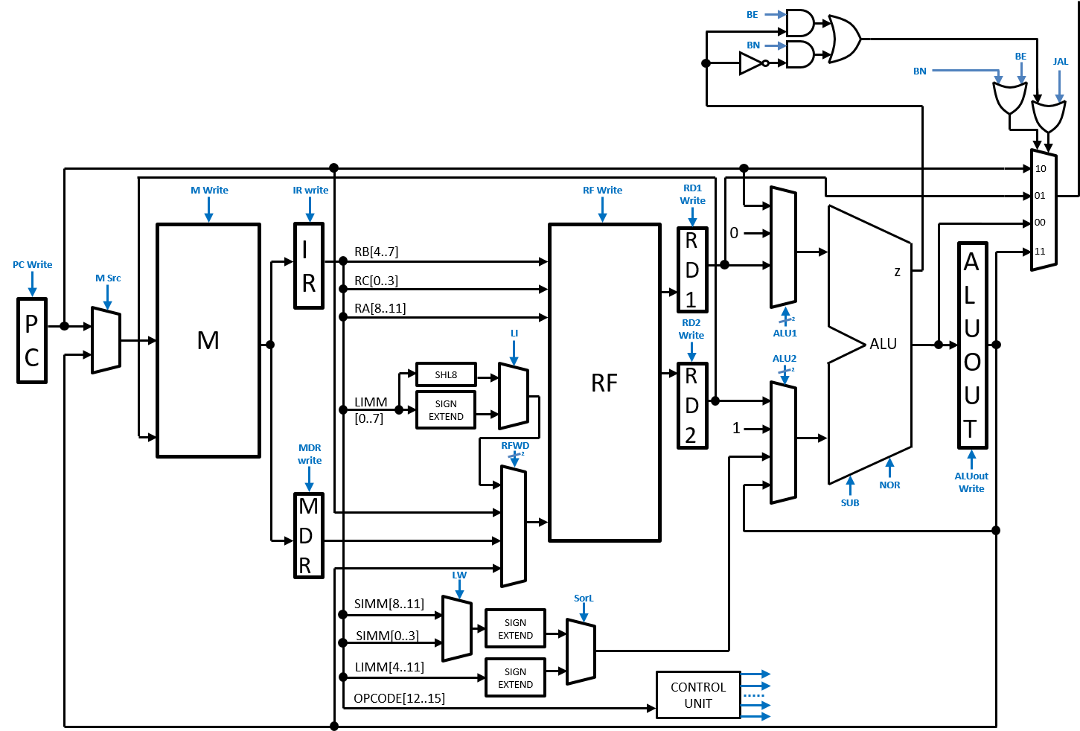

Current State | 4 | 3 | 2 | 1 | 0
0 | 0 | 0 | 0 | 0 | 1 |  |  | 0 |  | a
1 |  |  |  |  |  |  |  | 1 |  | b
2 | 0 | 0 | 0 | 1 | 1 |  |  | 2 |  | c
3 | 0 | 0 | 0 | 0 | 0 |  |  | 3 |  | d
4 | 0 | 0 | 0 | 1 | 1 |  |  | 4 |  | e
5 | 0 | 0 | 0 | 1 | 1 |  |  | 5 |  | f
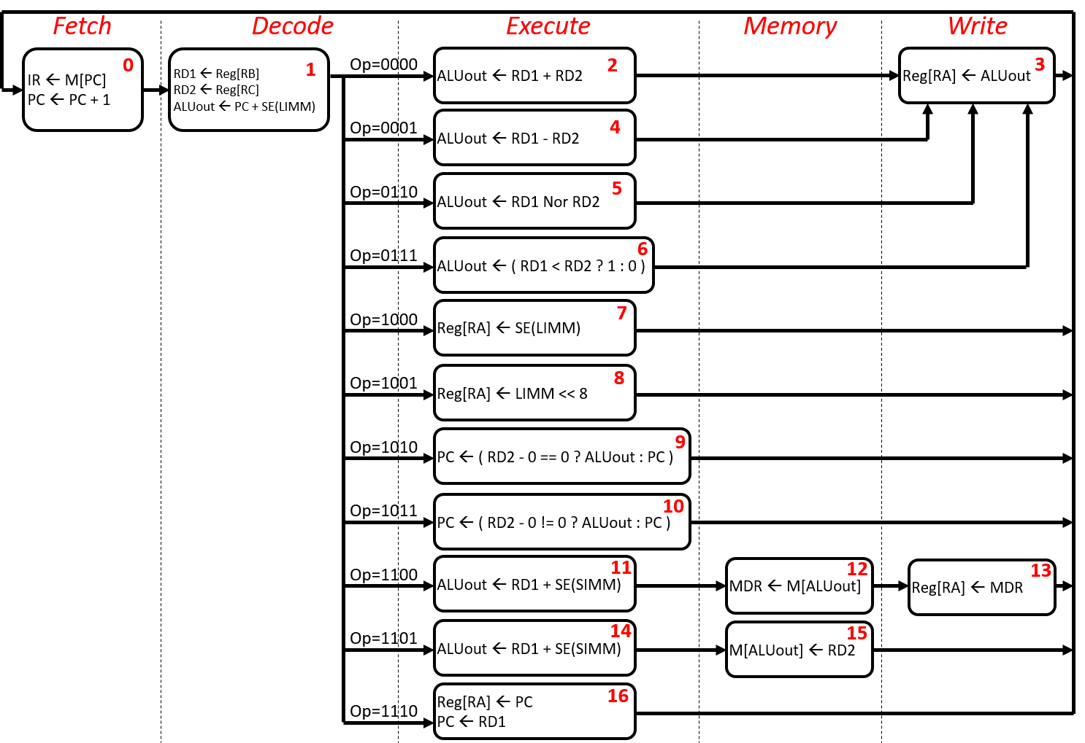
6 | 0 | 0 | 0 | 1 | 1 |  |  | 6 |  | g
7 | 0 | 0 | 0 | 0 | 0 |  |  | 7 |  | h
8 | 0 | 0 | 0 | 0 | 0 |  |  | 8 |  | i
9 | 0 | 0 | 0 | 0 | 0 |  |  | 9 |  | j
10 | 0 | 0 | 0 | 0 | 0 |  |  | 10 |  | k
11 | 0 | 1 | 1 | 0 | 0 |  |  | 11 |  | l
12 | 0 | 1 | 1 | 0 | 1 |  |  | 12 |  | m
13 | 0 | 0 | 0 | 0 | 0 |  |  | 13 |  | n
14 | 0 | 1 | 1 | 1 | 1 |  |  | 14 |  | o
15 | 0 | 0 | 0 | 0 | 0 |  |  | 15 |  | p
16 | 0 | 0 | 0 | 0 | 0
17 | 1 | 0 | 0 | 1 | 0
18 | 1 | 0 | 0 | 1 | 1 | 10010
19 | 0 | 0 | 0 | 0 | 0
18 | 1 | 0 | 0 | 1 | 0

 |  |  | continue
 |  |  | 1
 |  |  | 1
 |  |  | 0
 |  |  | 0
 |  |  | Done | Reset | load
 |  |  | 0 | 0 | 1
 |  |  | 0 | 1 | 1
 |  |  | 1 | 0 | 0
 |  |  | 1 | 1 | 1

